LengthAllocation_2022
Canada's transmission network |  |  |  |  |  |  |  |  |  |  |  |  |  |  |  | Key Point
CER regulated natural gas transmission pipelines |  |  |  |  |  |  |  |  |  |  |  |  |  |  |  | Chippawa
 |  |  |  |  |  |  |  |  |  |  |  |  |  | Map source: |  | Eastern Triangle - NOL Receipts
Provincial splits of pipelines based on my estimates |  |  |  |  |  |  |  |  |  |  |  |  |  | IEA June 2022. Canada Natural Gas Security Policy. |  | Eastern Triangle - Parkway Deliveries
Additions to visually estimated splits were also made to more closely align with CER's interactive pipeline map (both the total and provincial allocations), and to align with the IEA's total for Canada's transmission pipelines |  |  |  |  |  |  |  |  |  |  |  |  |  | C:\Users\stark\Documents\Documents\REM SFU\pyCIMS\Natural Gas\Sources\Pipelines\IEA_CanadaNGpiplines.pdf |  | Eastern Triangle - Parkway Receipts
 |  |  |  |  |  |  |  |  |  |  |  |  |  |  |  | Emerson I
Length by pipeline |  |  |  |  |  |  |  |  |  |  |  |  |  | Canadian Transmission pipelines (IEA): | 77579 | Emerson II
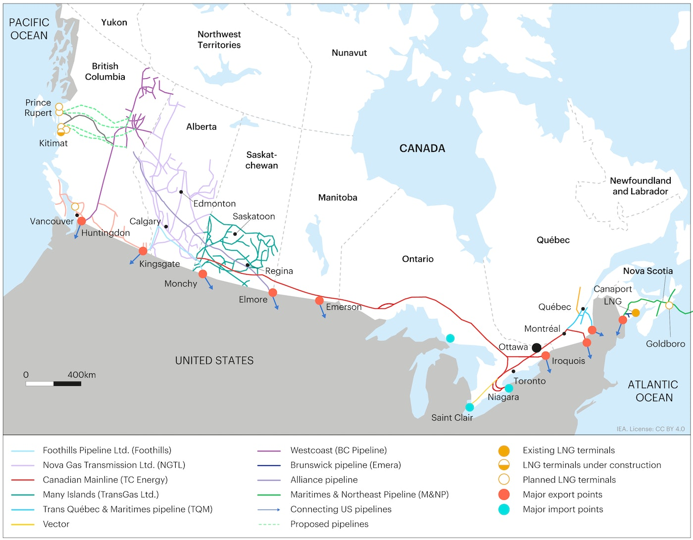
 |  | From CER pipeline interactive map |  |  |  |  |  |  |  |  |  |  |  |  |  | Iroquois
 |  | From CER pipeline profiles |  |  |  |  |  |  |  |  |  |  |  |  |  | Niagara
 |  | Pipeline |  |  |  |  |  |  |  |  |  | TOTAL km | Difference between (CER pipeline profile + ES split estimates) & pipeline interactive map |  |  | Northern Ontario Line
 | Length km | Westcoast | Alliance | Emera Brunswick | Foothills | Many Islands | Maritimes & Northeast | NGTL | TC Mainline | Trans Quebec & Maritimes | Vector | 74,995 | -2,172 |  |  | Other US Northeast
AB | 33,032 |  | 1,374 |  | 1,030 |  |  | 30,585 |  |  |  | 32,989 | -43 |  |  | Prairies
SK | 14,107 |  | 687 |  | 265 | 10,400 |  |  | 2,824 |  |  | 14,176 | 69 |  |  | St Clair
BC | 8,339 | 6,190 | 229 |  | 265 |  |  | 1,715 |  |  |  | 8,399 | 60
MB | 4,257 |  |  |  |  |  |  |  | 4,236 |  |  | 4,236 | -21
ON | 11,106 |  |  |  |  |  |  |  | 10,572 |  | 25 | 10,597 | -509
AT | 3,889 |  |  | 240 |  |  | 2,880 |  |  |  |  | 3,120 | -769
QC | 1,545 |  |  |  |  |  |  |  | 988 | 490 |  | 1,478 | -67
TR | 892 |  |  |  |  |  |  |  |  |  |  | - | -892
TOTAL | 77167 | 2900 | 2290 | 140 | 1060 | 400 | 880 | 24500 | 14120 | 580 | 25 | 46,895 | -30,272

Expanded by province by gate
Gate |  | Pipeline
 |  | Westcoast | Alliance | Emera Brunswick | Foothills | Many Islands | Maritimes & Northeast | NGTL | TC Mainline | Trans Quebec & Maritimes | Vector | Total km | Check
Alberta |  |  |  |  |  |  |  |  |  |  |  | 32989 | -
FortisBC Lower Mainland
Huntingdon Export
Kingsvale
NOVA/Gordondale
Sunset Creek
Border |  |  | 961.80
Zone 2 |  |  | 412.20
Brunswick
Monchy |  |  |  |  | 618.00
Kingsgate |  |  |  |  | 412.00
Many Islands
Baileyville, Ma. / St. Stephen N.B.
East Gate |  |  |  |  |  |  |  | 6,117
North and East |  |  |  |  |  |  |  | 4,588
Upstream of James River |  |  |  |  |  |  |  | 3,059
West Gate |  |  |  |  |  |  |  | 3,059
OSDA Kirby |  |  |  |  |  |  |  | 1,529
OSDA Liege |  |  |  |  |  |  |  | 1,529
Calgary |  |  |  |  |  |  |  | 1,529
Edmonton |  |  |  |  |  |  |  | 3,059
Saturn |  |  |  |  |  |  |  | 6,117
Chippawa
Eastern Triangle - NOL Receipts
Eastern Triangle - Parkway Deliveries
Eastern Triangle - Parkway Receipts
Emerson I
Emerson II
Iroquois
Niagara
Northern Ontario Line
Other US Northeast
Prairies
Saint Lazare + Sabrevois
East Hereford
St Clair

 |  | Westcoast | Alliance | Emera Brunswick | Foothills | Many Islands | Maritimes & Northeast | NGTL | TC Mainline | Trans Quebec & Maritimes | Vector | Total km | Check
Saskatchewan |  |  |  |  |  |  |  |  |  |  |  | 14176 | -
FortisBC Lower Mainland
Huntingdon Export
Kingsvale
NOVA/Gordondale
Sunset Creek
Border |  |  | 687.00
Zone 2
Brunswick
Monchy |  |  |  |  | 265.00
Kingsgate
Many Islands |  |  |  |  |  | 10,400
Baileyville, Ma. / St. Stephen N.B.
East Gate
North and East
Upstream of James River
West Gate
OSDA Kirby
OSDA Liege
Calgary
Edmonton
Saturn
Chippawa
Eastern Triangle - NOL Receipts
Eastern Triangle - Parkway Deliveries
Eastern Triangle - Parkway Receipts
Emerson I
Emerson II
Iroquois
Niagara
Northern Ontario Line
Other US Northeast
Prairies |  |  |  |  |  |  |  |  | 2,824
Saint Lazare + Sabrevois
East Hereford
St Clair

 |  | Westcoast | Alliance | Emera Brunswick | Foothills | Many Islands | Maritimes & Northeast | NGTL | TC Mainline | Trans Quebec & Maritimes | Vector | Total km | Check
British Columbia |  |  |  |  |  |  |  |  |  |  |  | 8399 | -
FortisBC Lower Mainland |  | 619.0
Huntingdon Export |  | 619.0
Kingsvale |  | 2,476.0
NOVA/Gordondale |  | 928.5
Sunset Creek |  | 1,547.5
Border |  |  | -
Zone 2 |  |  | 229.00
Brunswick
Monchy |  |  |  |  | -
Kingsgate |  |  |  |  | 265.00
Many Islands
Baileyville, Ma. / St. Stephen N.B.
East Gate
North and East
Upstream of James River
West Gate
OSDA Kirby
OSDA Liege
Calgary
Edmonton
Saturn |  |  |  |  |  |  |  | 1,715
Chippawa
Eastern Triangle - NOL Receipts
Eastern Triangle - Parkway Deliveries
Eastern Triangle - Parkway Receipts
Emerson I
Emerson II
Iroquois
Niagara
Northern Ontario Line
Other US Northeast
Prairies
Saint Lazare + Sabrevois
East Hereford
St Clair

 |  | Westcoast | Alliance | Emera Brunswick | Foothills | Many Islands | Maritimes & Northeast | NGTL | TC Mainline | Trans Quebec & Maritimes | Vector | Total km | Check
Manitoba |  |  |  |  |  |  |  |  |  |  |  | 4236 | -
FortisBC Lower Mainland
Huntingdon Export
Kingsvale
NOVA/Gordondale
Sunset Creek
Border |  |  | -
Zone 2 |  |  | -
Brunswick
Monchy |  |  |  |  | -
Kingsgate |  |  |  |  | -
Many Islands
Baileyville, Ma. / St. Stephen N.B.
East Gate
North and East
Upstream of James River
West Gate
OSDA Kirby
OSDA Liege
Calgary
Edmonton
Saturn |  |  |  |  |  |  |  | -
Chippawa
Eastern Triangle - NOL Receipts
Eastern Triangle - Parkway Deliveries
Eastern Triangle - Parkway Receipts
Emerson I |  |  |  |  |  |  |  |  | 635.40
Emerson II |  |  |  |  |  |  |  |  | 635.40
Iroquois
Niagara
Northern Ontario Line |  |  |  |  |  |  |  |  | 2,965.20
Other US Northeast
Prairies
Saint Lazare + Sabrevois
East Hereford
St Clair

 |  | Westcoast | Alliance | Emera Brunswick | Foothills | Many Islands | Maritimes & Northeast | NGTL | TC Mainline | Trans Quebec & Maritimes | Vector | Total km | Check
Ontario |  |  |  |  |  |  |  |  |  |  |  | 10596.6 | -
FortisBC Lower Mainland
Huntingdon Export
Kingsvale
NOVA/Gordondale
Sunset Creek
Border |  |  | -
Zone 2 |  |  | -
Brunswick
Monchy |  |  |  |  | -
Kingsgate |  |  |  |  | -
Many Islands
Baileyville, Ma. / St. Stephen N.B.
...

capacityAllocation+2022
Transmission Splits from JCIMS
 | *BC, Yukon and NWT | Alberta | Saskatchewan | Manitoba | Ontario | Québec | Atlantic
 | 0.084531258028 | 0.21957634881 | 0.18236837274 | 0.1242098694 | 0.38124623419 | 0.0021645630525 | 0.0059033537794
 | 0.084531258028 | 0.21957634881 | 0.18236837274 | 0.1242098694 | 0.38124623419 | 0.0021645630525 | 0.0059033537794
 | 0.094563620723 | 0.21717007379 | 0.18036984939 | 0.12284868861 | 0.37706826467 | 0.0021408422189 | 0.0058386605971
 | 0.14730409249 | 0.20151971583 | 0.16737149903 | 0.1139955998 | 0.34989484611 | 0.0019865624581 | 0.017927684281
 | 0.14730409249 | 0.20151971583 | 0.16737149903 | 0.1139955998 | 0.34989484611 | 0.0019865624581 | 0.017927684281
 | 0.14730409249 | 0.20151971583 | 0.16737149903 | 0.1139955998 | 0.34989484611 | 0.0019865624581 | 0.017927684281
 | 0.14730409249 | 0.20151971583 | 0.16737149903 | 0.1139955998 | 0.34989484611 | 0.0019865624581 | 0.017927684281
 | 0.14730409249 | 0.20151971583 | 0.16737149903 | 0.1139955998 | 0.34989484611 | 0.0019865624581 | 0.017927684281
...
 | *BC, Yukon and NWT | Alberta | Saskatchewan | Manitoba | Ontario | Québec | Atlantic
 | 316269712.05 | 821534545.1 | 682322658.84 | 464725363.66 | 1426414790.4 | 8098610.4936 | 22087119.528
 | 301084026.07 | 1493994222.8 | 914744377.36 | 440151154.79 | 1261306468.5 | 10275767.859 | 37159595.646
 | 285898340.09 | 2166453900.5 | 1147166095.9 | 415576945.93 | 1096198146.5 | 12452925.225 | 52232071.764
 | 270712654.11 | 2838913578.3 | 1379587814.4 | 391002737.07 | 931089824.52 | 14630082.591 | 67304547.882
 | 255526968.13 | 3511373256 | 1612009532.9 | 366428528.2 | 765981502.55 | 16807239.956 | 82377024
 | 255526968.13 | 3511373256 | 1612009532.9 | 366428528.2 | 765981502.55 | 16807239.956 | 82377024
 | 255526968.13 | 3511373256 | 1612009532.9 | 366428528.2 | 765981502.55 | 16807239.956 | 82377024
 | 255526968.13 | 3511373256 | 1612009532.9 | 366428528.2 | 765981502.55 | 16807239.956 | 82377024
 | 255526968.13 | 3511373256 | 1612009532.9 | 366428528.2 | 765981502.55 | 16807239.956 | 82377024
 | 255526968.13 | 3511373256 | 1612009532.9 | 366428528.2 | 765981502.55 | 16807239.956 | 82377024
 | 255526968.13 | 3511373256 | 1612009532.9 | 366428528.2 | 765981502.55 | 16807239.956 | 82377024
...
Saskatchewan | Manitoba | Ontario | Québec | Atlantic | Total
0.18236837274 | 0.1242098694 | 0.38124623419 | 0.0021645630525 | 0.0059033537794 | 1
0.18236837274 | 0.1242098694 | 0.38124623419 | 0.0021645630525 | 0.0059033537794 | 1
0.18036984939 | 0.12284868861 | 0.37706826467 | 0.0021408422189 | 0.0058386605971 | 1
0.16737149903 | 0.1139955998 | 0.34989484611 | 0.0019865624581 | 0.017927684281 | 1
0.16737149903 | 0.1139955998 | 0.34989484611 | 0.0019865624581 | 0.017927684281 | 1
0.16737149903 | 0.1139955998 | 0.34989484611 | 0.0019865624581 | 0.017927684281 | 1
0.16737149903 | 0.1139955998 | 0.34989484611 | 0.0019865624581 | 0.017927684281 | 1
0.16737149903 | 0.1139955998 | 0.34989484611 | 0.0019865624581 | 0.017927684281 | 1
...
New transmission splits
 | *BC, Yukon and NWT | Alberta | Saskatchewan | Manitoba | Ontario | Québec | Atlantic
 | 0.084531258028 | 0.21957634881 | 0.18236837274 | 0.1242098694 | 0.38124623419 | 0.0021645630525 | 0.0059033537794
 | 0.073062115388 | 0.2974774777 | 0.1977402212 | 0.10701521551 | 0.31490302271 | 0.0022590485527 | 0.0075428989481
 | 0.061592972748 | 0.37537860658 | 0.21311206965 | 0.089820561626 | 0.24855981122 | 0.0023535340529 | 0.0091824441168
 | 0.050123830108 | 0.45327973546 | 0.22848391811 | 0.072625907741 | 0.18221659974 | 0.0024480195531 | 0.010821989285
 | 0.038654687469 | 0.53118086435 | 0.24385576657 | 0.055431253855 | 0.11587338826 | 0.0025425050533 | 0.012461534454
 | 0.038654687469 | 0.53118086435 | 0.24385576657 | 0.055431253855 | 0.11587338826 | 0.0025425050533 | 0.012461534454
 | 0.038654687469 | 0.53118086435 | 0.24385576657 | 0.055431253855 | 0.11587338826 | 0.0025425050533 | 0.012461534454
 | 0.038654687469 | 0.53118086435 | 0.24385576657 | 0.055431253855 | 0.11587338826 | 0.0025425050533 | 0.012461534454
2010 | 2015 | 2020 | 2025 | 2030 | 2035
0.094563620723 | 0.14730409249 | 0.14730409249 | 0.14730409249 | 0.14730409249 | 0.14730409249
0.21717007379 | 0.20151971583 | 0.20151971583 | 0.20151971583 | 0.20151971583 | 0.20151971583
0.18036984939 | 0.16737149903 | 0.16737149903 | 0.16737149903 | 0.16737149903 | 0.16737149903
0.12284868861 | 0.1139955998 | 0.1139955998 | 0.1139955998 | 0.1139955998 | 0.1139955998
0.37706826467 | 0.34989484611 | 0.34989484611 | 0.34989484611 | 0.34989484611 | 0.34989484611
0.0021408422189 | 0.0019865624581 | 0.0019865624581 | 0.0019865624581 | 0.0019865624581 | 0.0019865624581
0.0058386605971 | 0.017927684281 | 0.017927684281 | 0.017927684281 | 0.017927684281 | 0.017927684281
...
 |  |  | 2025 | 2030 | 2035 | 2040 | 2045 | 2050
 |  |  | Held contstant from 2020
 |  |  | 4% | 4% | 4% | 4% | 4% | 4%
 |  |  | 53% | 53% | 53% | 53% | 53% | 53%
 |  |  | 24% | 24% | 24% | 24% | 24% | 24%
 |  |  | 6% | 6% | 6% | 6% | 6% | 6%
 |  |  | 12% | 12% | 12% | 12% | 12% | 12%
 |  |  | 0% | 0% | 0% | 0% | 0% | 0%
 |  |  | 1% | 1% | 1% | 1% | 1% | 1%
...
 | SASKATCHEWAN | ALBERTA | *BC, Yukon and NWT
 | 99 | 5.499 | 12.593
 | 114 | 9.916 | 9.861
 | 198 | 17.312 | 8.536
 | 277 | 23.872 | 5.599
 | 400 | 31.761 | 4.173
 | 360 | 36.199 | 3.212
 | 333 | 40.604 | 2.677
 | 313 | 42.357 | 2.263
 | 304 | 41.650 | 1.896
 | 305 | 40.551 | 1.694
 | 305 | 39.992 | 1.700
 |  |  |  | 255,526,968 | 255,526,968 | 255,526,968 | 255,526,968 | 255,526,968
 |  |  |  | 3,511,373,256 | 3,511,373,256 | 3,511,373,256 | 3,511,373,256 | 3,511,373,256
 |  |  |  | 1,612,009,533 | 1,612,009,533 | 1,612,009,533 | 1,612,009,533 | 1,612,009,533
 |  |  |  | 366,428,528 | 366,428,528 | 366,428,528 | 366,428,528 | 366,428,528
 |  |  |  | 765,981,503 | 765,981,503 | 765,981,503 | 765,981,503 | 765,981,503
 |  |  |  | 16,807,240 | 16,807,240 | 16,807,240 | 16,807,240 | 16,807,240
 |  |  |  | 82,377,024 | 82,377,024 | 82,377,024 | 82,377,024 | 82,377,024
...
 |  |  |  |  | - | - | - | -
 |  |  |  |  | - | - | - | -
 |  |  |  |  | 140 | 3 | 0 | -
 |  |  |  |  | 5,144,279 | 5,305,116 | 5,291,734 | 5,287,606
 |  |  |  |  | 82,899,469 | 84,307,680 | 86,591,368 | 87,801,417
 |  |  |  |  | 112,872,795 | 134,720,125 | 150,860,679 | 150,339,287
 |  |  |  |  | - | - | - | -
 |  |  |  |  | 31,751 | 23,254 | 17,089 | 12,626
 |  |  |  |  | 19 | 19 | 17 | 17
 |  |  |  |  | 18 | 17 | 16 | 16
...
 |  |  |  |  | 5,463,863 | 250,460,226 | 25,789,677,231 | -
 |  |  |  |  | 313 | 304 | 305 | 305
 |  |  |  |  | 42.357 | 41.650 | 40.551 | 39.992
 |  |  |  |  | 2.263 | 1.896 | 1.694 | 1.700
 |  |  |  |  | - | - | - | -
...

